Height
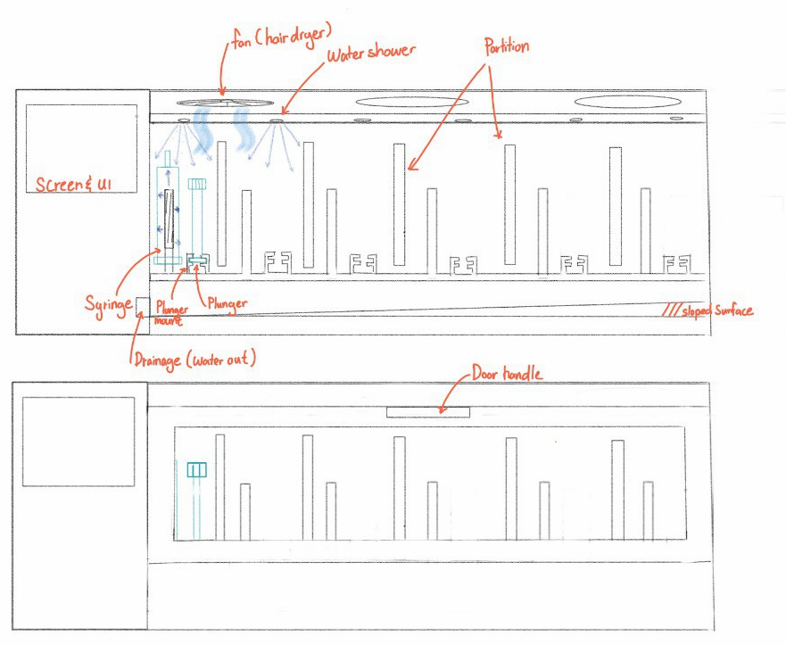
Reference
Per Syringe | mm
length | 35
width | 45
height | 150
 |  |  |  | 60 x 60

Internal Dimension (Length) |  | Overall Dimension (Height)
name | Width (mm) | name | Width (mm)
Syringe + Plunger | 90 | Parition | 200
Gap | 15 | Drainage | 50
Holder | 30 | Gap | 50
Gap | 15 | Fan | 15
Parition | 10 | Water hose | 15
Gap | 15 | Backup Space | 30
6 Units | 6 |  | 360
Backup Space | 60
 | 241

External Dimension - Screen (Length) |  | Overall Dimension (Width) | Width (mm)
name | Width (mm) | Fan | 60
Screen | 76 | Backup space | 45
Gap | 20 |  | 105
 | 96

Overall Dimension (Length)
Internal Dimension | 241
External Dimension | 96
 | 337

Overall estimated dimension (337 x 105 x 360mm)

